Dashboard Update

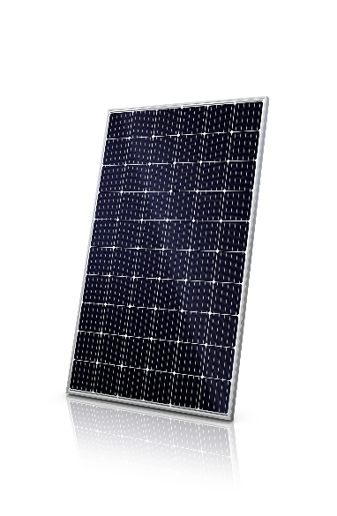

200 KW Solar System

Zahirul Islam
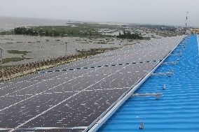
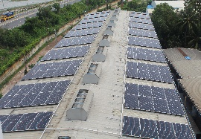
GO Live

Warehouse & Unit-3 Rooftop

 | Total
Jan | 17,212
Feb | 16,079
Mar | 21,618
Apr | 18,681
May | 22,962
Jun | 19,678
Jul | 25,604
Aug | 18,134
Sep | 23,691
Oct | 20,441
Nov | 17,579
Dec | 15,532
Unit-3 Roof Top
Warehouse
Total Generation 237211 KWH
154 Ton
89 Ton
$23,600
Total PV Yield Month wise (KWH)
Total CO2 Emission Avoided (TON)
Total Standard COAL Saved
 | Total
Jan | $1,507
Feb | $1,551
Mar | $2,085
Apr | $1,891
May | $2,324
Jun | $1,992
Jul | $2,591
Aug | $1,835
Sep | $2,400
Oct | $2,071
Nov | $1,781
Dec | $1,572
 | Total
Jan | 11
Feb | 10
Mar | 14
Apr | 12
May | 15
Jun | 13
Jul | 17
Aug | 12
Sep | 15
Oct | 13
Nov | 11
Dec | 10
 | Total
Jan | 7
Feb | 6
Mar | 9
Apr | 7
May | 9
Jun | 8
Jul | 10
Aug | 7
Sep | 10
Oct | 8
Nov | 7
Dec | -

Click
Expected Monthly Production Data shared from HelioScope View

Note:-

